CI_PREM
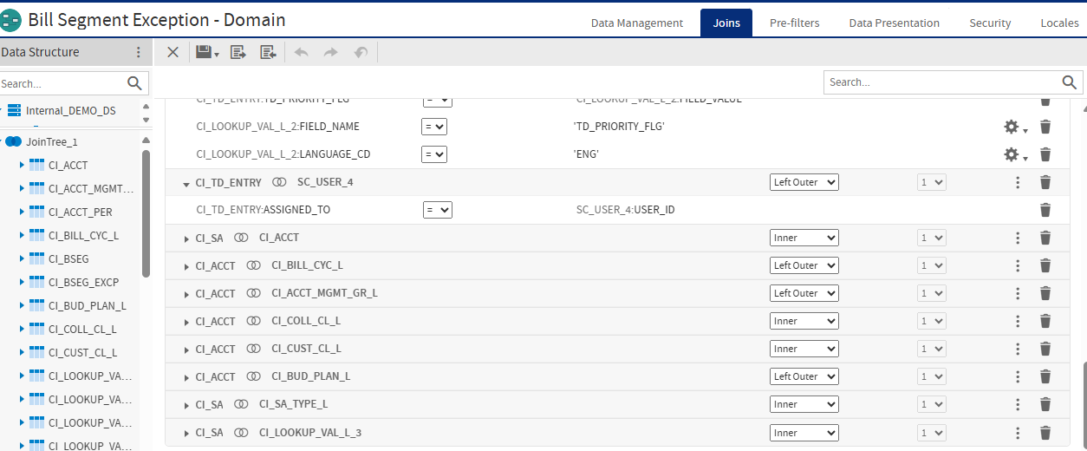
Summary
Table Name: CI_PREM
Justification: This domain will retrieve Premise Information, Service Point Information as well as the related Account and Bill Cycle
Designer: Lennice

Table | Field Name | Field Description | Related Table |  | Join Type | Designer Notes
CI_PREM | PREM_ID | Premise ID | N/A |  | N/A
CI_PREM | PREM_TYPE_CD | Premise Type | * CI_PREM_TYPE_L |  | Inner Join
CI_PREM | CIS_DIVISION | CIS Division | *CI_CIS_DIVISION |  | Left Join
CI_PREM | LL_ID | Landlord Agreement ID | * CI_LANDLORD |  | Left Join
CI_PREM | KEY_SW | Key | N/A |  | N/A
CI_PREM | KEY_ID | Key ID | N/A |  | N/A
CI_PREM | OK_TO_ENTER_SW | OK to Enter | N/A |  | N/A
CI_PREM | MR_INSTR_CD | Meter Read Instruction | * CI_MR_INSTR_L |  | Left Join
CI_PREM | MR_INSTR_DETAILS | Instruction Details | N/A |  | N/A
CI_PREM | MR_WARN_CD | Meter Read Warning | * CI_MR_WARN_L |  | Left Join
CI_PREM | TREND_AREA_CD | Trend Area | * CI_TREND_AREA_L |  | Left Join
CI_PREM | ADDRESS1 | Address | N/A |  | N/A
CI_PREM | ADDRESS2 | Address 2 | N/A |  | N/A
CI_PREM | ADDRESS3 | Address 3 | N/A |  | N/A
CI_PREM | ADDRESS4 | Address 4 | N/A |  | N/A
CI_PREM | CITY | City | N/A |  | N/A
CI_PREM | NUM1 | Number 1 | N/A |  | N/A
CI_PREM | NUM2 | Number 2 | N/A |  | N/A
CI_PREM | COUNTY | County | N/A |  | N/A
CI_PREM | POSTAL | Postal | N/A |  | N/A
CI_PREM | HOUSE_TYPE | House Type | N/A |  | N/A
CI_PREM | GEO_CODE | Geographical Code | N/A |  | N/A
CI_PREM | IN_CITY_LIMIT | In City Limit | N/A |  | N/A
CI_PREM | STATE | State | * CI_STATE_L |  | Left Outer
CI_PREM | COUNTRY | Country | * CI_COUNTRY_L |  | Inner Join
CI_PREM | VERSION | Version | N/A |  | N/A
CI_PREM | PREM_DATA_AREA | Premise Data Area | N/A |  | N/A
CI_PREM | TIME_ZONE_CD | Time Zone | *CI_TIME_ZONE_L |  | Left Outer
CI_PREM | LS_SL_FLG | Life Support / Sensitive Load | N/A |  | N/A
CI_PREM | LS_SL_DESCR | Life Support / Sensitive Load | N/A |  | N/A
CI_PREM | PRNT_PREM_ID | Parent Premise ID |  |  | Left Outer
CI_PREM | ADDRESS1_UPR | Address Uppercase | N/A |  | N/A
CI_PREM | CITY_UPR | City Uppercase | N/A |  | N/A
CI_PREM_CHAR | ADHOC_CHAR_VAL | Adhoc Characteristic Value
CI_PREM_CHAR | CHAR_TYPE_CD | Characteristic Type
CI_PREM_CHAR | CHAR_VAL | Characteristic Value
CI_PREM_CHAR | CHAR_VAL_FK1 | Characteristic Value FK 1
CI_PREM_CHAR | CHAR_VAL_FK2 | Characteristic Value FK 2
CI_PREM_CHAR | CHAR_VAL_FK3 | Characteristic Value FK 3
CI_PREM_CHAR | CHAR_VAL_FK4 | Characteristic Value FK 4
CI_PREM_CHAR | CHAR_VAL_FK5 | Characteristic Value FK 5
CI_PREM_CHAR | EFFDT | Effective Date
CI_PREM_CHAR | PREM_ID | Premise ID | *CI_PREM | PREM_ID | Left
CI_PREM_CHAR | SRCH_CHAR_VAL | Search Characteristic Value
CI_PREM_CHAR | VERSION | Version
CI_PREM_CHAR | get the value whose char type code is xxx |  |  | CHAR_TYPE_CD IN (C2MRESTY,IN-OUT)
CI_PREM_GEO | GEO_TYPE_CD | Geographic Type |  | GEO_TYPE_CD: Lat/Long. |  | identify common geotype
CI_PREM_GEO | GEO_VAL | Geographic Value
CI_PREM_GEO | PREM_ID | Premise ID
CI_PREM_GEO | VERSION | Version
CI_SA | ACCT_ID | Account ID
CI_SA | ALLOW_EST_SW | Allow Estimates
CI_SA | BUS_ACTIVITY_DESC | Business Activity
CI_SA | CHAR_PREM_ID | Premise ID | *CI_PREM | PREM_ID | Left
CI_SA | CIAC_REVIEW_DT | CIAC Review Date
CI_SA | CIS_DIVISION | CIS Division
CI_SA | CURRENCY_CD | Currency Code
CI_SA | CUST_READ_FLG | Customer Read
CI_SA | END_DT | End Date
CI_SA | ENRL_ID | Order ID
CI_SA | EXPIRE_DT | Expire Date
CI_SA | HIGH_BILL_AMT | Maximum Bill Threshold
CI_SA | IB_BASE_TM_DAY_FLG | Start Day Option
CI_SA | IB_SA_CUTOFF_TM | IB SA Cutoff Time
CI_SA | INT_CALC_DT | Deposit Interest Calculated
CI_SA | NBR_PYMNT_PERIODS | Number of Payment Periods
CI_SA | NB_APAY_FLG | NBB Auto Pay
CI_SA | NB_RULE_CD | Recommendation Rule
CI_SA | OLD_ACCT_ID | Old Account ID
CI_SA | PROP_DCL_RSN_CD | Decline Reason
CI_SA | PROP_SA_ID | Proposal SA ID
CI_SA | PROP_SA_STAT_FLG | Proposal SA Status
CI_SA | RENEWAL_DT | Renewal Date
CI_SA | SA_DATA_AREA | SA Data Area
CI_SA | SA_ID | Service Agreement
CI_SA | SA_REL_ID | SA Relationship ID
CI_SA | SA_STATUS_FLG | SA Status | *CI_LOOKUP_VAL_L |  |  | Add a filter, the user can choose the status of the SA relarted to the Premsie
CI_SA | SA_TYPE_CD | SA Type
CI_SA | SIC_CD | SIC
CI_SA | SPECIAL_USAGE_FLG | Special Usage
CI_SA | START_DT | Start Date
CI_SA | START_OPT_CD | Start Option
CI_SA | STOP_REQED_BY | Stop Requested By
CI_SA | STOP_RSN_FLG | Stop Reason
CI_SA | STRT_REQED_BY | Start Requested By
CI_SA | STRT_RSN_FLG | Start Reason
CI_SA | TOT_TO_BILL_AMT | Total Amount to Bill
CI_SA | VERSION | Version
CI_ACCT |  |  | *CI_SA | ACCT_ID
CI_ACCT_PER |  |  | *CI_ACCT | ACCT_ID
CI_PER_NAME | Just get the name
CI_LANDLORD | ACCT_ID | Account ID
CI_LANDLORD | DESCR | Description
CI_LANDLORD | DESCR_UPR | Description
CI_LANDLORD | LL_ID | Landlord Agreement ID | *CI_PREM | LL_ID | Left
CI_LANDLORD | VERSION | Version

Josh Suggestions:
CI_PREM | full display; all foreign keys with description
CI_PREM_GEO | create a database view that extracts the folloiwng; yes there are three, but for future projects, we will use separate LAT and LONG.
 | * LAT/LONG
 | * LAT
 | * LONG
CI_PREM_CHAR | I don't think there's anything that is generic (part of DV) where we put PREM_CHAR. For this case, we don't need to include this for now.
CI_SA | full display; some foreign keys with description; refer to BSEG Exception; via char prem id
CI_ACCT | full display; some foreign keys with description; refer to BSEG Exception
Name | Via CI_ACCT, CI_ACCT_PER and CI_PER_NAME with name type flag = PRIM and Main Customer Switch = Y

Formula | First five digit of the postal code from the premise

Location | Customer Operations/Premise
Ad Hoc View Tabular 1 | Name, Address Upper, City Upper, SA ID, SA Type, SA Status, Account ID, Customer Class
 | filter: name, starts with; address upper, starts with, customer class desc one of; sa type description, one of.
Ad Hoc View 1 | Count of distinct premises, grouped by Premise Type; cross tab
 | filter: premise type desc, one of
Ad Hoc View 2 | Count of distinct premises, group by Postal (first five digits); cross tab
 | filter: postal 5 (one of); premise type, one-of
Dashboard | Combination of Ad Hoc Views 1 and 2.
 | filter is premise type

